Sheet1
 |  |  | Bulk Grams |  |  |  |  | Ounces

Strain: | Cost Per Gram | THC | CBD | Strain: | Cost Per Gram | THC | CBD | Name | Cost 1oz | Cost 1/2 oz
 |  |  |  |  |  |  |  | Lemon Kush | $120.00 | $70.00
 |  |  |  |  |  |  |  | Sour Diesel | $60.00 | $40.00
 |  |  |  |  |  |  |  | Venom OG | $50.00 | $35.00
 |  |  |  |  |  |  |  | Sour Patch Kid2 | $70.00 | $45.00
 |  |  |  |  |  |  |  | Yager | $30.00 | NA
 |  |  |  |  |  |  |  | Sunset Sherbert | $80.00 | $50.00
 |  |  |  |  |  |  |  | Purple Liquorice | $120.00 | $70.00


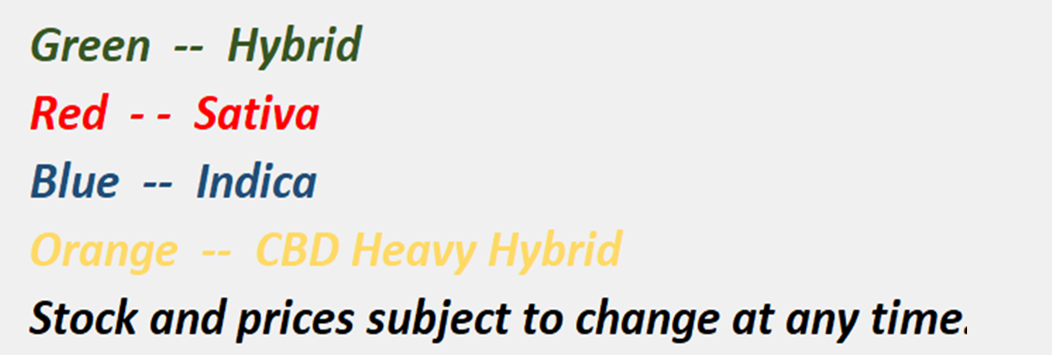

 |  | Two Buck Marleys
 |  | House Flower Packs, $2, Vairous THC and CBD levels

